Bug Report
Google Play Application Page |  |  |  | Notes & ScreenShots

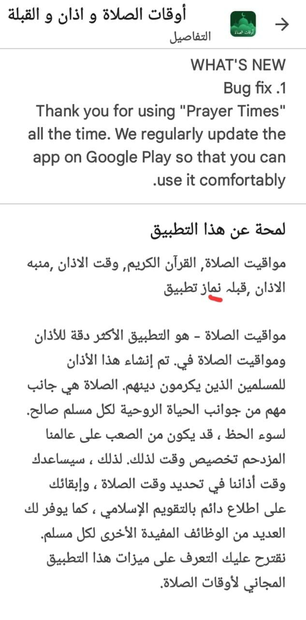
Category | Label | Value |  |  | This Part is in the description section and it has this word which I don’t understand what do you mean by it , and also its place in the sentence doesn’t give any hint about its usage in the sentence , so its hard to figure out what do you mean by it , when i tried to check the description section in english language i didnt find the whole first part thats in the arabic language version of the application page and you started from the second part from the arabic version, as shown in the below Screen shots (the left one is the first part of the description in english language , the right one is the translation of whats written )
Bug ID | ID number | #1
 | Name | Google Play - Spelling Error in About Section
 | Reporter | Khaled omar
 | Submit Date | 2023-05-20
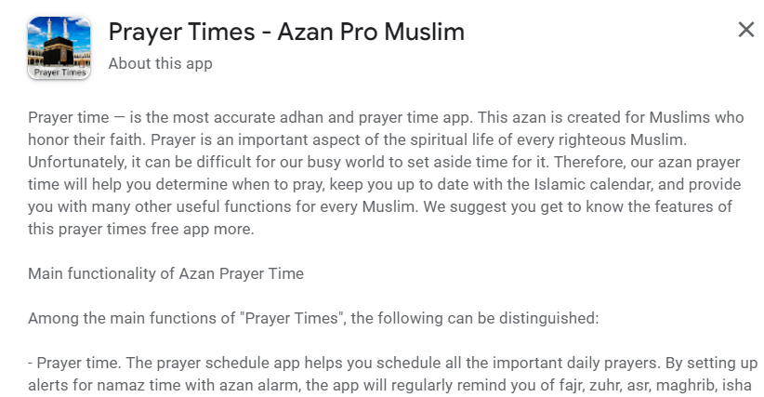
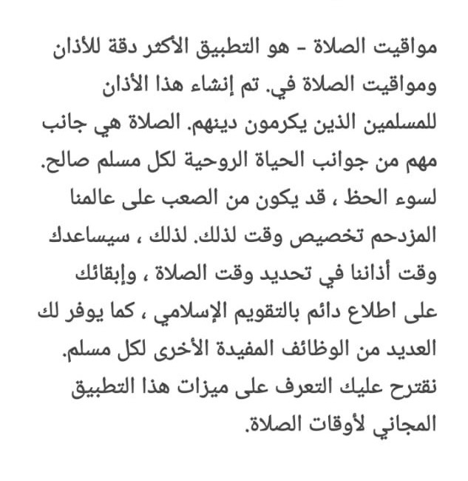
Bug overview | Summary | when I go to the application page on the play store , and if the language was arabic , there is a word in the About section which is "نماز" I don’t know actually what it means as this order of letters doesn’t mean anything in arabic language
 | Screenshot
Environment | Device | Samsung Galaxy A12
 | Android Version | Android 12
Bug details | Steps to reproduce | Go to the Application in the Play Store " اوقات الصلاة و اذان و القبله" and then go to the about section
 | Expected result | The Description or the About Section should have accurate spelling and translation to guide the user of the application main objective and use.
 | Actual result | Several spelling mistakes and translation issues were observed throughout the Google Play Page, impacting the accuracy and credibility of the content.
 | Description | I have conducted testing on the "Azan" application, which is a prayer times app for Muslims available on the Android Play Store. The client has requested verification of correct spelling and accurate translations in the play store Application page, given its inclusion of holy scripts such as the Quran, Hadith, and Sunnah. However, during testing, I discovered multiple spelling mistakes and translation issues that need to be addressed in the "About" section
Bug tracking | Severity | Low
 | Priority | Low

Category | Label | Value
Bug ID | ID number | #2
 | Name | Google Play - Spelling Error in The first Video
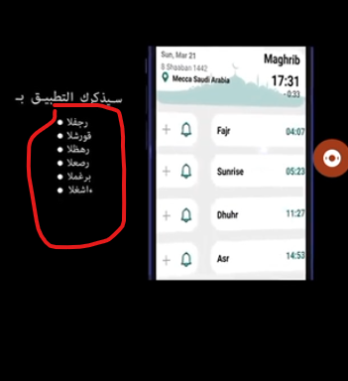
 | Reporter | Khaled omar
 | Submit Date | 2023-05-20
Bug overview | Summary | When I go to the application on the play store and check the videos and the screenshots of the application I found some spelling mistakes in the video as shown in the screen shots , those words that I marked around them actually means something if you re-ordered the letters in the correct way , and those the prayer times starting from top to bottom (Al Fajr-Sunrise - Zuhr -Asr -Maghrib -Isha ) which translates to arabic ("العشا","المغرب","العصر","الظهر",الشروق,"الفجر") |  | Google Play Video
 | Screenshot
Environment | Device | Samsung Galaxy A12
 | Android Version | Android 12
Bug details | Steps to reproduce | Go to the Application in the Play Store " اوقات الصلاة و اذان و القبله" and then play the video
 | Expected result | the Video and the screenshots should have accurate spelling and translation to guide the user of the application main objective and use.
 | Actual result | Several spelling mistakes and translation issues were observed throughout the Google Play Page, impacting the accuracy and credibility of the content.
 | Description | I have conducted testing on the "Azan" application, which is a prayer times app for Muslims available on the Android Play Store. The client has requested verification of correct spelling and accurate translations in the play store Application page, given its inclusion of holy scripts such as the Quran, Hadith, and Sunnah. However, during testing, I discovered multiple spelling mistakes and translation issues that need to be addressed in the video.
Bug tracking | Severity | Low
 | Priority | Low

IN APP ADS

Category | Label | Value
Bug ID | ID number | #3
 | Name | Application-New Installation-Welcome Screen
 | Reporter | Khaled omar
 | Submit Date | 2023-05-20
Bug overview | Summary | When I open the application for the first time as a new user just installed the app, there is an Ad that is hard to figure out how to remove it .
 | Screenshot
Environment | Device | Samsung Galaxy A12
 | Android Version | Android 12
Bug details | Steps to reproduce | Install the application on an Android device. Launch the application for the first time. Observe the appearance of an ad that remains on the screen. Attempt to find a way to remove or close the ad. Note the difficulty in locating an option to remove the ad. |  | New Installation
 | Expected result | Users should be able to find a clear and intuitive method to remove or close the initial ad without difficulty.
 | Actual result | The ad persists and obstructs the user interface, impacting the usability of the application.
 | Impact | The presence of a persistent ad that is difficult to remove upon launching the application for the first time hinders the user experience. Users may struggle to access the application's intended features and content due to the obstructive ad, potentially leading to frustration and dissatisfaction.
 | Description | I have encountered an issue with the application where, upon installation and initial launch, a persistent ad appears, and it is challenging to determine how to remove it. This impedes the user experience and may cause frustration and confusion.
Bug tracking | Severity | Critical
 | Priority | Critical

Category | Label | Value
Bug ID | ID number | #4
 | Name | In App Ads
 | Reporter | Khaled omar
 | Submit Date | 2023-05-20
Bug overview | Summary | An in app ads contains a lot of ads for a religion APP that the ads open every time I click on a button or try to go to another page
 | Screenshot
Environment | Device | Samsung Galaxy A12
 | Android Version | Android 12
Bug details | Steps to reproduce | Install the application on an Android device. Launch the application. Observe the appearance of multiple ads within the app. Note the presence of unrelated ads, and the continuos appearance of the ads in every transition from a page to another page |  | Testing
 | Expected result | The application should display relevant ads that align with the Islamic nature of the app. The Application should have less ADS.
 | Actual result | The application displays numerous ads that are unrelated to the subject matter and do not align with the Islamic nature of the app.
 | Impact | The presence of unrelated ads within an Islamic application raises serious concerns about the app's integrity and usability. Users who download the app with the intention of engaging in Islamic prayer and Quran reading may find the inclusion of this huge number of ads Annoying, resulting in a negative user experience. Furthermore, these ads undermine the app's credibility as a reliable source of Islamic content.
 | Description | During testing of the Islamic application, I encountered a critical issue where the app displays numerous ads that are unrelated to the subject matter . These ads my include promotions for other religions, which significantly deviates from the intended purpose of the application to provide Islamic prayer and Quran reading features.
Bug tracking | Severity | Critical
 | Priority | Critical

Spelling Mistakes in The Application

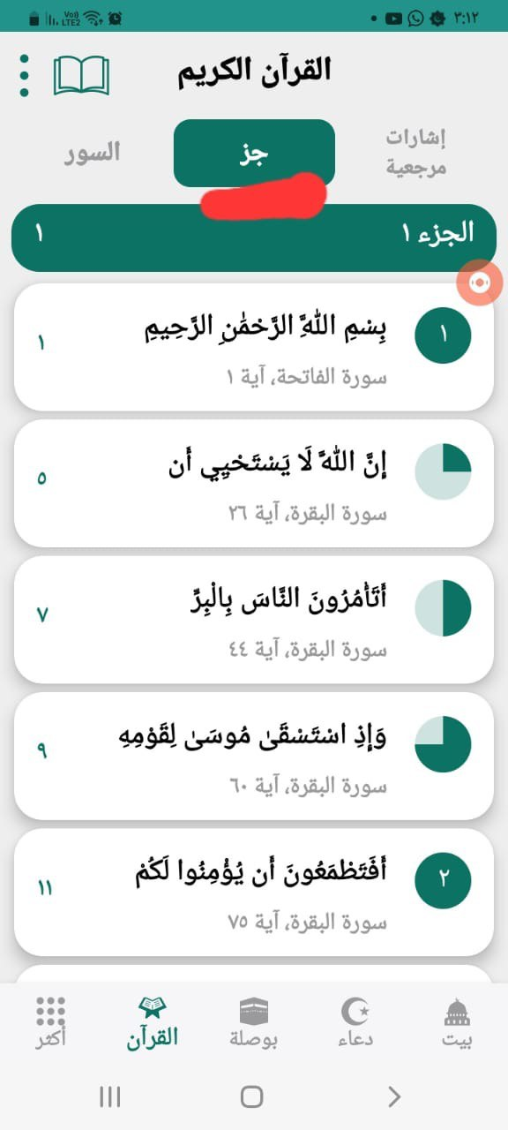
Category | Label | Value
Bug ID | ID number | #5
 | Name | Spelling Mistake 01
 | Reporter | Khaled omar
 | Submit Date | 2023-05-20
Bug overview | Summary | When You go to "القرأن الكريم" you will find 3 tabs , the second one is called "جز" which is wrong and its supposed to be written like this "جزء"
 | Screenshot
Environment | Device | Samsung Galaxy A12
 | Android Version | Android 12
Bug details | Steps to reproduce | Install the application on an Android device. Launch the application. Go to "القرأن الكريم" Check the Name of the second tab "جز"
 | Expected result | Will find three tabs "اشارات مرجعيه" "جزء" "السور"
 | Actual result | Will find three tabs "اشارات مرجعيه" "جز" "السور"
 | Impact | The presence of incorrect of misspelled word may affect the user experince
 | Description | I have encountered an issue with the application where, upon launching the application and go to the section called "القرأن الكريم" I found 3 tabs named "اشارات مرجعيه" "جز" "السور"
Bug tracking | Severity | Low
 | Priority | Low

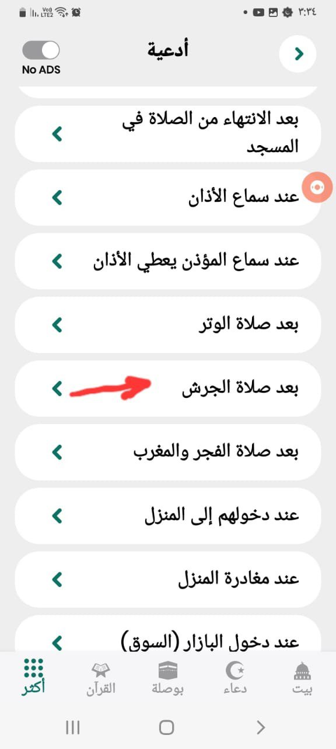
Category | Label | Value
Bug ID | ID number | #6
 | Name | Spelling Mistake 02
 | Reporter | Khaled omar
 | Submit Date | 2023-05-20
Bug overview | Summary | When You go to "قراءة المسلم الكريم" and then "ادعية" I found a Dua called "بعد صلاة الجرش" ,and "الجرش" is unknown word and I don’t know what do you mean by it.
 | Screenshot
Environment | Device | Samsung Galaxy A12
 | Android Version | Android 12
Bug details | Steps to reproduce | Install the application on an Android device. Launch the application Go to "قراءة المسلم الكريم" Go to "ادعية" You will find the Dua Called "بعد صلاة الجرش"
 | Expected result | You will find Different Kind fo Dua
 | Actual result | You will find a Duaa called "بعد صلاة الجرش"
 | Impact | The presence of incorrect or misspelled word may affect the user experince
 | Description | I have encountered an issue with the application where, upon launching the application and go to the section called"قراءة المسلم الكريم"and then go to the section called "ادعية" I found a duaa called "بعد صلاة الجرش"
Bug tracking | Severity | Low
 | Priority | Low

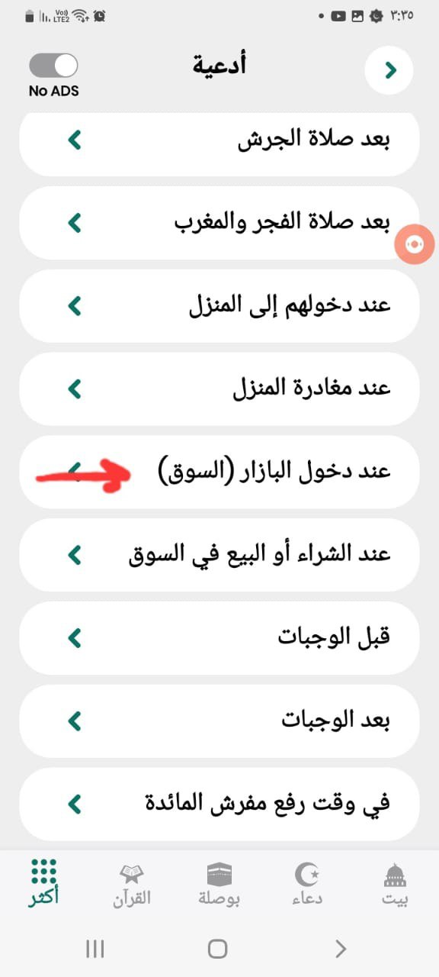
Category | Label | Value
Bug ID | ID number | #7
 | Name | Spelling Mistake 03
 | Reporter | Khaled omar
 | Submit Date | 2023-05-20
Bug overview | Summary | When i go to "قراءة المسلم الكريم" and then "ادعية" I found a Dua called "عند دخول البازار" ,and "البازار" which is unused word in arabic language and we instead can just use the word "سوق"only
 | Screenshot
Environment | Device | Samsung Galaxy A12
 | Android Version | Android 12
Bug details | Steps to reproduce | Install the application on an Android device. Launch the application Go to "قراءة المسلم الكريم" Go to "ادعية" You will find the Dua Called "عند دخول البازار"
 | Expected result | You will find Different Kinds of Duas
 | Actual result | You will find a Duaa called"عند دخول البازار"
 | Impact | The presence of incorrect or misspelled word may affect the user experince
 | Description | I have encountered an issue with the application where, upon launching the application and go to the section called"قراءة المسلم الكريم"and then go to the section called "ادعية" I found a duaa called "عند دخول البازار"
Bug tracking | Severity | Low
 | Priority | Low

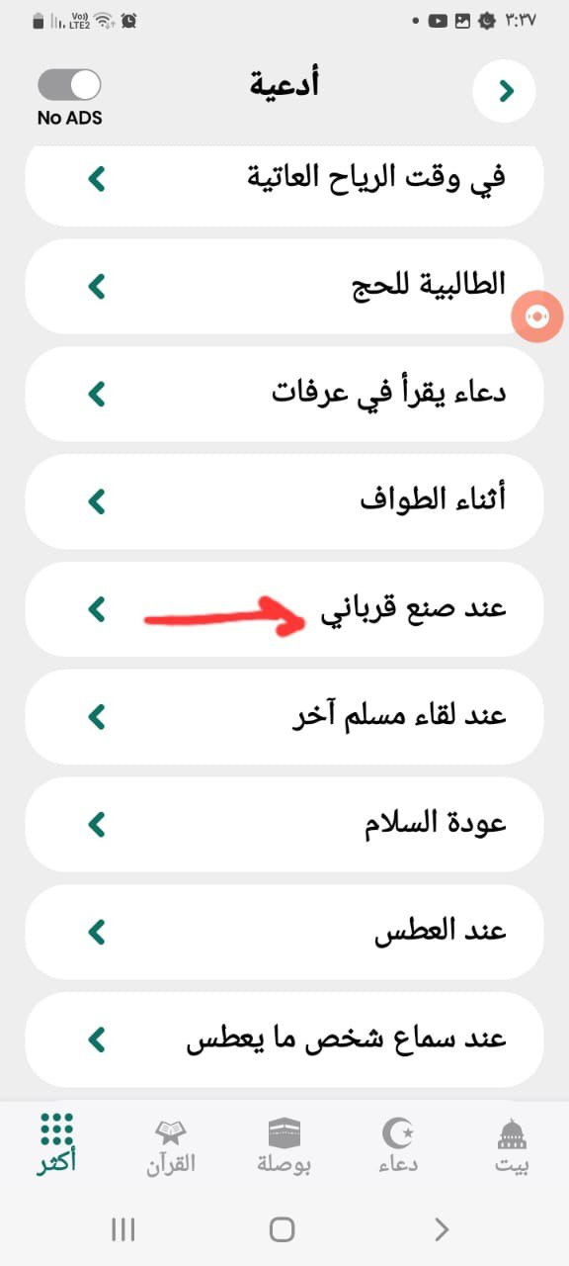
Category | Label | Value
Bug ID | ID number | #8
 | Name | Spelling Mistake 04
 | Reporter | Khaled omar
 | Submit Date | 2023-05-20
Bug overview | Summary | When i go to "قراءة المسلم الكريم" and then "ادعية" I found a Dua called"عند صنع القرباني " ,which is an expression or statement that means a different event than the one mentioned , it should be named "عند ذبح الاضحية"
 | Screenshot
Environment | Device | Samsung Galaxy A12
 | Android Version | Android 12
Bug details | Steps to reproduce | Install the application on an Android device. Launch the application Go to "قراءة المسلم الكريم" Go to "ادعية" You will find the Dua Called "عند صنع القرباني "
 | Expected result | You will find Different Kinds of Duas
 | Actual result | You will find a Duaa called"عند صنع القرباني "
 | Impact | The presence of incorrect or misspelled word may affect the user experince
 | Description | I have encountered an issue with the application where, upon launching the application and go to the section called"قراءة المسلم الكريم"and then go to the section called "ادعية" I found a duaa called "عند صنع القرباني "
Bug tracking | Severity | Low
 | Priority | Low

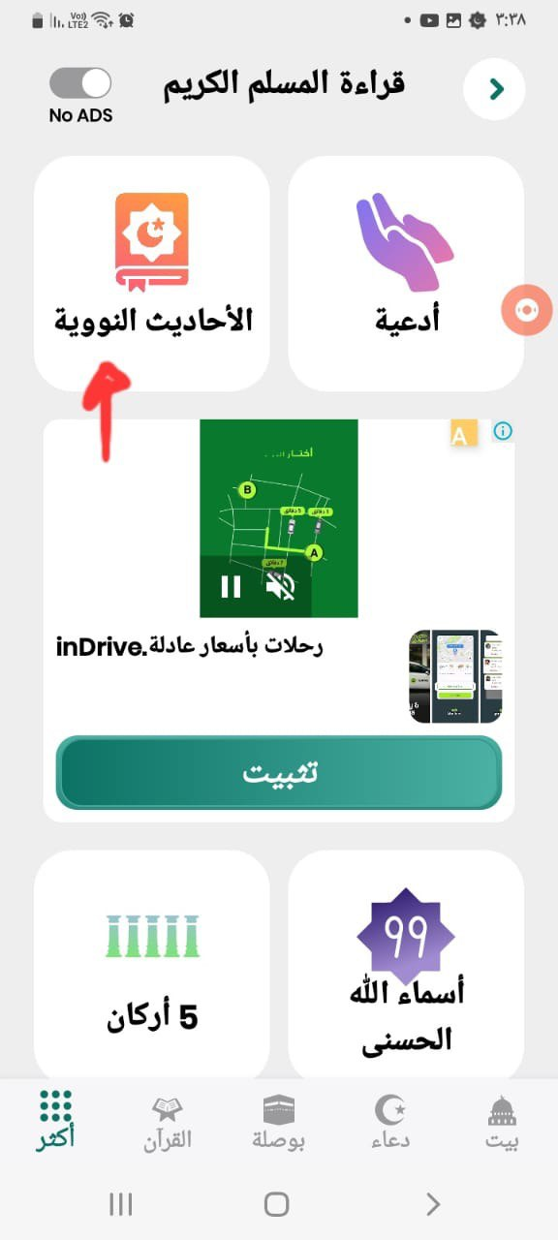
Category | Label | Value
Bug ID | ID number | #9
 | Name | Spelling Mistake 05
 | Reporter | Khaled omar
 | Submit Date | 2023-05-20
Bug overview | Summary | When i go to "قراءة المسلم الكريم" and then " الاحاديث النوويه" , "النوويه" is a word which means Nuclear which is a wrong word and it shoud be "النبوية" which means "Prophetic".
 | Screenshot
Environment | Device | Samsung Galaxy A12
 | Android Version | Android 12
Bug details | Steps to reproduce | Install the application on an Android device. Launch the application Go to "قراءة المسلم الكريم" You will find a section Called " الاحاديث النوويه" "
 | Expected result | You will find 2 different sections "ادعية" & " الاحاديث النبوية "
 | Actual result | You will find 2 different sections "ادعية" & " الاحاديث النووية "
 | Impact | The presence of incorrect or misspelled word may affect the user experince
 | Description | I have encountered an issue with the application where, upon launching the application and go to the section called"قراءة المسلم الكريم"I found 2 sections "ادعية" & " الاحاديث النووية
Bug tracking | Severity | Low
 | Priority | Low

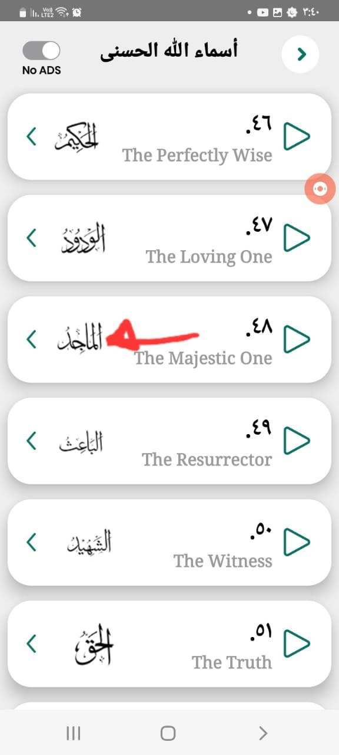
Category | Label | Value
Bug ID | ID number | #10
 | Name | Spelling Mistake 06
 | Reporter | Khaled omar
 | Submit Date | 2023-05-20
Bug overview | Summary | When i go to"اسماء الله الحسني "and go to the name number 48 I found the name is "الماجد", while It should be "المجيد".
 | Screenshot
Environment | Device | Samsung Galaxy A12
 | Android Version | Android 12
Bug details | Steps to reproduce | You will find the name 48 is "الماجد"
 | Expected result | You will be able to the see the 99 holy name of GOD
 | Actual result | Upon launching the application and open "اسماء الله الحسني" . You will be able to the see that the Holy Name number 48 is wrong "الماجد"
 | Impact | The presence of incorrect or misspelled word may affect the user experince
 | Description | I have encountered an issue with the application where, upon launching the application and go to the section called "اسماء الله الحسني"I found the 99 Holy Names of GOD but there were wrong and misspelled names
Bug tracking | Severity | CRITICAL
 | Priority | CRITICAL

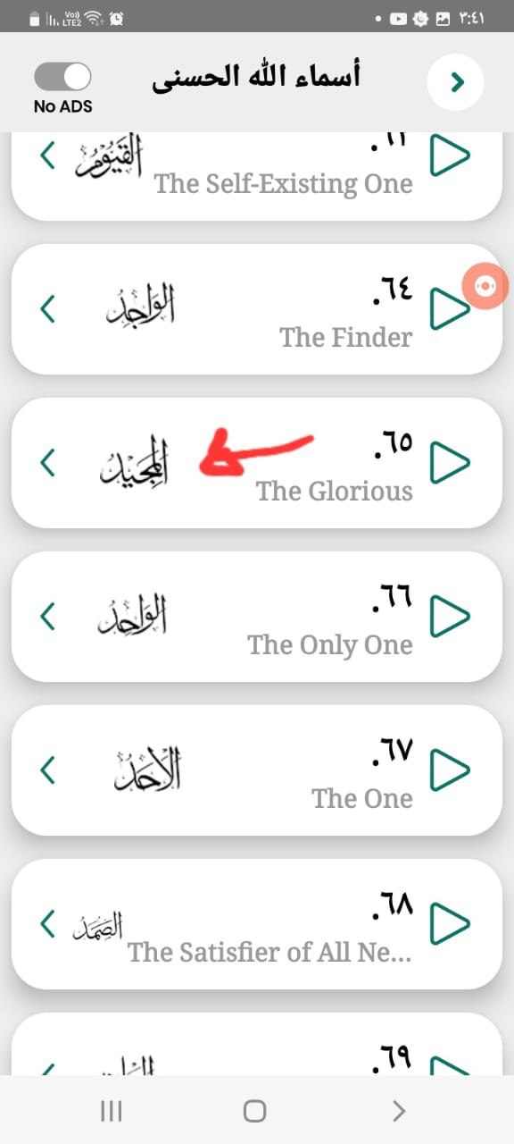
Category | Label | Value
Bug ID | ID number | #11
 | Name | Spelling Mistake 07
 | Reporter | Khaled omar
 | Submit Date | 2023-05-20
Bug overview | Summary | When i go to"اسماء الله الحسني "and go to the name number 65 I found the name is "المجيد", while It should be "الماجد".
 | Screenshot
Environment | Device | Samsung Galaxy A12
 | Android Version | Android 12
Bug details | Steps to reproduce | Install the application on an Android device. Launch the application Go to "اسماء الله الحسني" You will find the name 65 is "المجيد"
 | Expected result | You will be able to the see the 99 holy name of GOD
 | Actual result | You will be able to the see that the Holy Name number 65 is wrong "المجيد"
 | Impact | The presence of incorrect or misspelled word may affect the user experince
 | Description | I have encountered an issue with the application where, upon launching the application and go to the section called "اسماء الله الحسني"I found the 99 Holy Names of GOD but there were wrong and misspelled names
Bug tracking | Severity | CRITICAL
 | Priority | CRITICAL

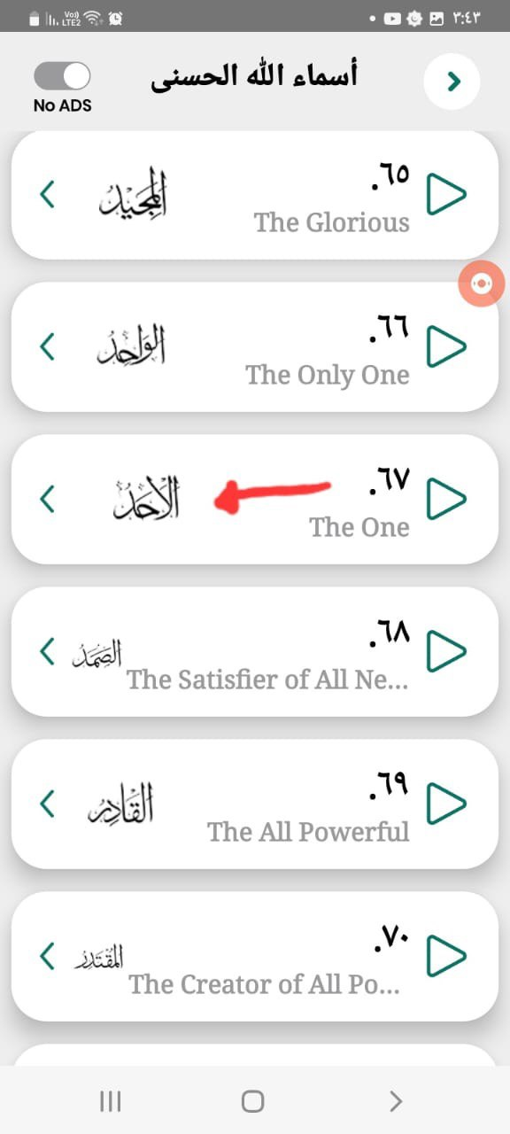
Category | Label | Value
Bug ID | ID number | #12
 | Name | Spelling Mistake 08
 | Reporter | Khaled omar
 | Submit Date | 2023-05-20
Bug overview | Summary | When i go to"اسماء الله الحسني "and go to the name number 67 I found the name is "الاحد",which is wrong place and should be removed from this place
 | Screenshot
Environment | Device | Samsung Galaxy A12
 | Android Version | Android 12
Bug details | Steps to reproduce | Install the application on an Android device. Launch the application Go to "اسماء الله الحسني" You will find the name 67 is "الاحد"
 | Expected result | You will be able to the see the 99 holy name of GOD
 | Actual result | You will be able to the see that the Holy Name number 67 is wrong "الاحد"
 | Impact | The presence of incorrect or misspelled word may affect the user experince
 | Description | I have encountered an issue with the application where, upon launching the application and go to the section called "اسماء الله الحسني"I found the 99 Holy Names of GOD but there were wrong and misspelled names
Bug tracking | Severity | CRITICAL
 | Priority | CRITICAL

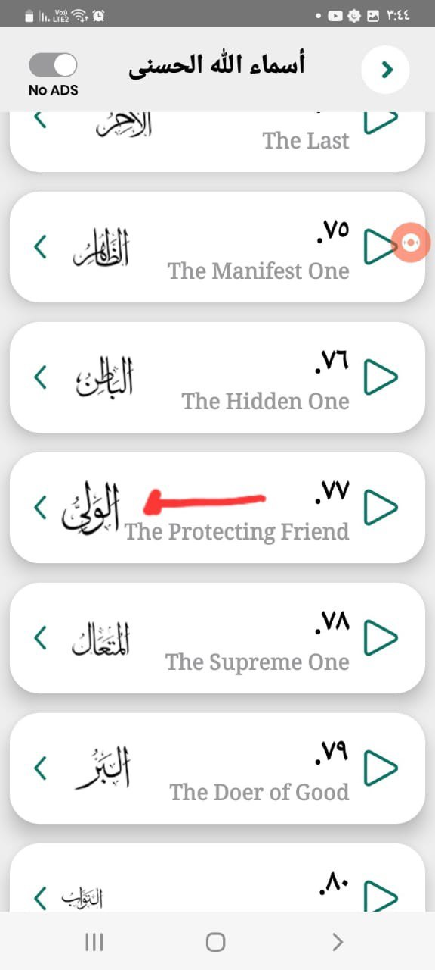
Category | Label | Value
Bug ID | ID number | #13
 | Name | Spelling Mistake 09
 | Reporter | Khaled omar
 | Submit Date | 2023-05-20
Bug overview | Summary | When i go to"اسماء الله الحسني "and go to the name number 77 I found the name is "الولي" while it should be "الوالي".
 | Screenshot
Environment | Device | Samsung Galaxy A12
 | Android Version | Android 12
Bug details | Steps to reproduce | Install the application on an Android device. Launch the application Go to "اسماء الله الحسني" You will find the name 77 is "الولي"
 | Expected result | You will be able to the see the 99 holy name of GOD And the 77th Name Should be "الوالي"
 | Actual result | You will be able to the see that the Holy Name number 77 is wrong "الولي"
 | Impact | The presence of incorrect or misspelled word may affect the user experince
 | Description | I have encountered an issue with the application where, upon launching the application and go to the section called "اسماء الله الحسني"I found the 99 Holy Names of GOD but there were wrong and misspelled names
Bug tracking | Severity | CRITICAL
 | Priority | CRITICAL

Category | Label | Value
Bug ID | ID number | #14
 | Name | Spelling Mistake 10
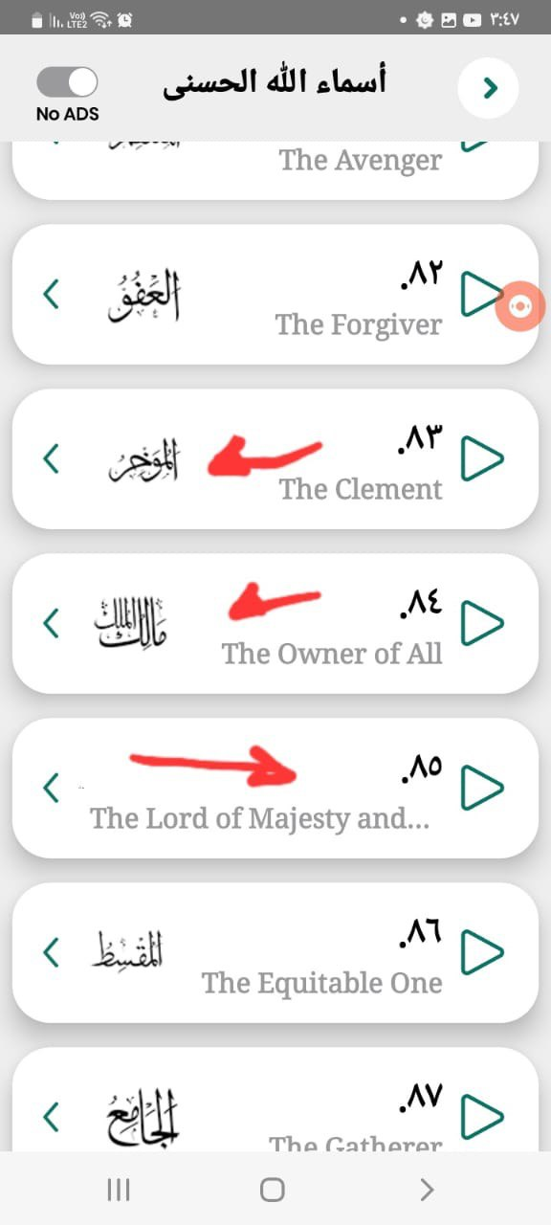
 | Reporter | Khaled omar
 | Submit Date | 2023-05-20
Bug overview | Summary | When i go to"اسماء الله الحسني "and go to the name number 83 , 84 and 85 I found the name is "المؤخر " and "مالك الملك" and "ذو الجلال و الاكرام"while these names should be removed and only replace those 3 Name with the Name "الرؤوف"
 | Screenshot
Environment | Device | Samsung Galaxy A12
 | Android Version | Android 12
Bug details | Steps to reproduce | Install the application on an Android device. Launch the application Go to "اسماء الله الحسني" You will find the name 83 is "المؤخر" And the name 84 is "مالك الملك" And the name 85 is "ذو الجلال و الاكرام"
 | Expected result | You will be able to the see the 99 holy name of GOD
 | Actual result | You will be able to the see that the Holy Name number 83 , 84 and 85 are wrong names
 | Impact | The presence of incorrect or misspelled word may affect the user experince
 | Description | I have encountered an issue with the application where, upon launching the application and go to the section called "اسماء الله الحسني"I found the 99 Holy Names of GOD but there were wrong and misspelled names
Bug tracking | Severity | CRITICAL
 | Priority | CRITICAL

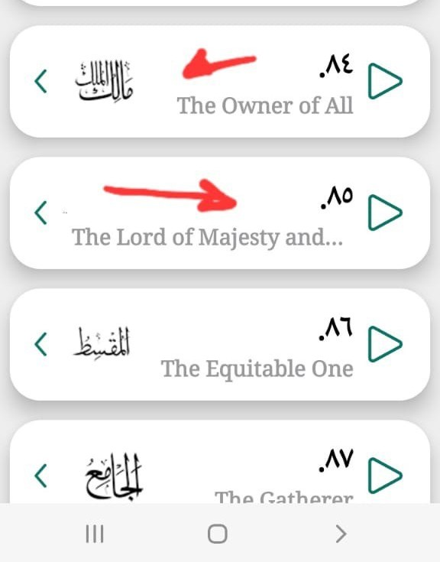
Category | Label | Value
Bug ID | ID number | #15
 | Name | Spelling Mistake 11
 | Reporter | Khaled omar
 | Submit Date | 2023-05-20
Bug overview | Summary | When i go to"اسماء الله الحسني "and go to the name number 98 and 99 should be the names "مالك الملك" and "ذو الجلال و الاكرام" , but because those 2 names were in the wrong place in the list of the Holy Names and they were placed as the number 84 and 85.
 | Screenshot
Environment | Device | Samsung Galaxy A12
 | Android Version | Android 12
Bug details | Steps to reproduce | Install the application on an Android device. Launch the application Go to "اسماء الله الحسني" You will not be able to find the last 2 Holy Names of GOD which are the names number 98 and 99 "مالك الملك" and "ذو الجلال و الاكرام"
 | Expected result | You will be able to the see the 99 holy name of GOD
 | Actual result | You will be able to the see that the Holy Name number 98 and 99 are wrong names
 | Impact | The presence of incorrect or misspelled word may affect the user experince
 | Description | I have encountered an issue with the application where, upon launching the application and go to the section called "اسماء الله الحسني"I found the 99 Holy Names of GOD but there were wrong and misspelled names
Bug tracking | Severity | CRITICAL
 | Priority | CRITICAL

Category | Label | Value
Bug ID | ID number | #16
 | Name | Spelling Mistake 12
 | Reporter | Khaled omar
 | Submit Date | 2023-05-20
Bug overview | Summary | When i go to"محول & التقويم "and go then go to the section "الاحداث القادمه " , if you are arabic user who have the application in arabic language you will find the upcoming events in the section "الاحداث القادمه " are all displayed in english which might cause a problem for an arabic user
 | Screenshot
Environment | Device | Samsung Galaxy A12
 | Android Version | Android 12
Bug details | Steps to reproduce | Install the application on an Android device. Launch the application Go to"محول & التقويم " And then Go to "الاحداث القادمه " You will find all the events in English Language |  | Upcoming Events
 | Expected result | You will be able to see all the upcoming events in the language that you are displaying the application with.
 | Actual result | You will be able to see all the upcoming events in English Language while you are an arabic user
 | Impact | The presence of incorrect or misspelled word may affect the user experince
 | Description | I have encountered an issue with the application where, upon launching the application and go to the section called "محول & التقويم " And then Go to "الاحداث القادمه " I found that all the upcoming events are displayed in a different language than the one that im using
Bug tracking | Severity | LOW
 | Priority | LOW

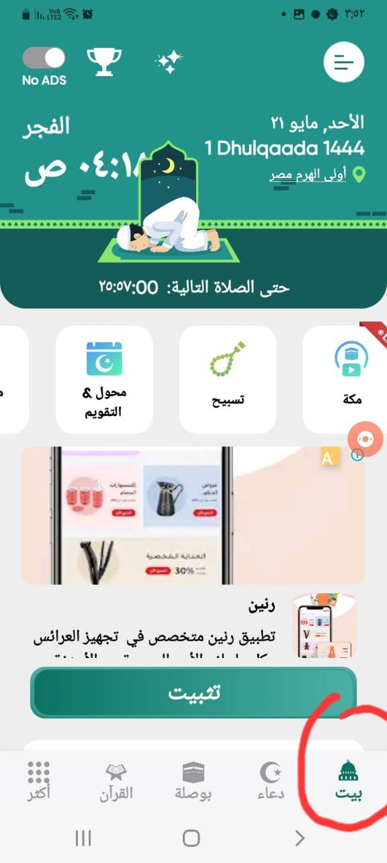
Category | Label | Value
Bug ID | ID number | #17
 | Name | Spelling Mistake 13
 | Reporter | Khaled omar
 | Submit Date | 2023-05-20
Bug overview | Summary | The Home Screen of the application when im using the application in arabic language is called "البيت" which literally means "The House" while it should be named "الرئيسية"
 | Screenshot
Environment | Device | Samsung Galaxy A12
 | Android Version | Android 12
Bug details | Steps to reproduce | Install the application on an Android device. Launch the application Go to Home Screen And then you will find the home screen named "البيت"
 | Expected result | The Application Home Screen Should be Called "الرئيسية"
 | Actual result | The Application Home Screen is Called "البيت"
 | Impact | The presence of incorrect or misspelled word may affect the user experince
 | Description | I have encountered an issue with the application where, upon launching the application and go to home screen you will find the home screen called "البيت"
Bug tracking | Severity | LOW
 | Priority | LOW

Category | Label | Value
Bug ID | ID number | #18
 | Name | Spelling Mistake 14
 | Reporter | Khaled omar
 | Submit Date | 2023-05-21
Bug overview | Summary | When I'm trying to check the calendar in the Arabic version of the application, everything, including the week names and the number of days, is in English.
 | Screenshot
Environment | Device | Samsung Galaxy A12
 | Android Version | Android 12 |  | English Calender
Bug details | Steps to reproduce | Install the application on an Android device. Launch the application Click on "محول & التقويم" You will find all the calender content are in another language while the user specified arabic language
 | Expected result | You will find the Calender langaue displayed is the same as the language specified by the user
 | Actual result | You will find the Calender langaue is different from the language specified by the user
 | Impact | The presence of incorrect or misspelled word may affect the user experince
 | Description | I have encountered an issue with the application where, upon launching the application and go to "محول & التقويم" I found that the Calender is displayed in a different language than the one I choose
Bug tracking | Severity | LOW
 | Priority | LOW

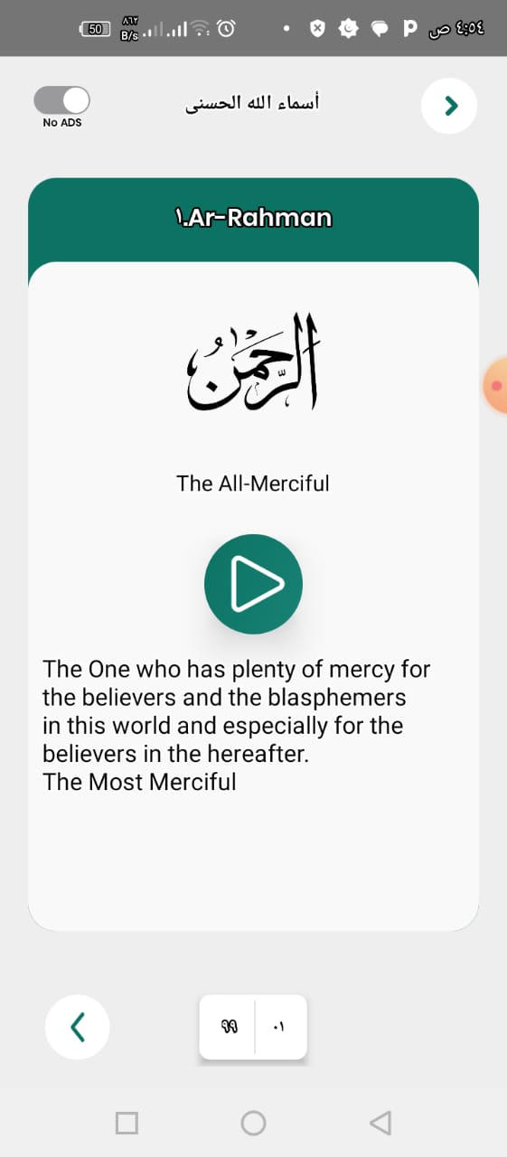
Category | Label | Value
Bug ID | ID number | #19
 | Name | Spelling Mistake 15
 | Reporter | Khaled omar
 | Submit Date | 2023-05-22
Bug overview | Summary | When I try to check the meaning of any of the 99 Holy Names of God, the definition is displayed in English instead of the chosen language (Arabic) for the application.
 | Screenshot
Environment | Device | Samsung Galaxy A12
 | Android Version | Android 12
Bug details | Steps to reproduce | Install the application on an Android device. Launch the application. Click on "اسماء الله الحسنى" (The 99 Holy Names of God). Click on any name to check its meaning.
 | Expected result | The definition of the name should be displayed in the language chosen by the user.
 | Actual result | The meaning of the name is displayed in a language other than the one specified by the user in the app settings.
 | Impact | The Presence of content in a language that’s not specified by the user , may hinder the user experience .
 | Description | I encountered an issue where, upon launching the application and going to "اسماء الله الحسنى" (The 99 Holy Names of God) to check the meaning of any name, the definition is not displayed in the language I specified in the app settings, but in another language.
Bug tracking | Severity | MEDIUM
 | Priority | MEDIUM

In-App Bugs

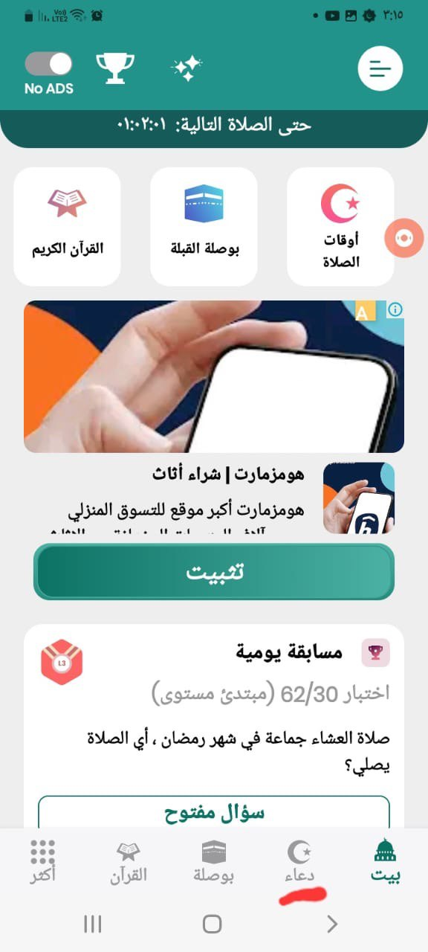
Category | Label | Value
Bug ID | ID number | #20
 | Name | Wrong Button
 | Reporter | Khaled omar
 | Submit Date | 2023-05-21
Bug overview | Summary | When I try to access the Duas section, I click on the button labeled "دعاء" at the bottom of the screen, which means "Dua" in English. However, it redirects me to the prayer time page instead.
 | Screenshot |  |  | Duaa Button
Environment | Device | Samsung Galaxy A12
 | Android Version | Android 12
Bug details | Steps to reproduce | Install the application on an Android device. Launch the application Click on "دعاء" at the bottom of the Screen You will be directed to the prayer time page
 | Expected result | You should be directed to the Dua's page.
 | Actual result | The application redirects you to the prayer time page instead.
 | Impact | The presence of incorrect Named Button may confuse and hinder the user from using the application in a proper way , and it will affect the user experience
 | Description | The issue occurred when I tried to access the Duas section by clicking on the "دعاء" button at the bottom of the screen. Instead of being redirected to the Duas page, I was redirected to the prayer time page.
Bug tracking | Severity | HIGH
 | Priority | MEDIUM

Questions

• Check the title for mistakes ---> No mistakes in the title

 | • Check the description for mistakes. There are mistakes in the description, as I mentioned in Test Case #1. Additionally, I am having difficulty understanding what you are trying to convey in this particular part. |  | TestCase1

 | • Look at all our screenshots and correct mistakes if any. there is no spelling mistakes or faults in the Screen Shots

 | • Check our video and correct mistakes if any. There are spelling mistakes in the video, as mentioned in Test Case #2. If you would like to address the issue, you can simply rearrange the letters of the section I marked in the screenshot. You need to reorder them from left to right. For example, the first word in the screenshot is "رجفلا," which, when rearranged from left to right, becomes "الفجر," which is the correct word.
 |  |  | TestCase2

 | • Would you install our application after reviewing our app page in Google Play? Yes, actually, based on the app screenshots, video, and your description, I would consider downloading it. However, the only thing that would make me hesitate is the comments and feedbacks on the app, as well as the unhelpful replies from your side. In this screenshot, there is feedback from a user named Grozajo JO, stating, "This app is bad, and I don't recommend it as it includes a lot of ads." Your reply to the user was, "Hi Grozajo JO, thanks for your notes. The ads and paid content are necessary because our app is free. You can buy premium and pay only the price of a cup of coffee to remove all the ads and grant you unlimited access." I would like to bring to your attention that in our language, saying that someone can just pay the price of a cup of coffee is considered offensive. It implies that the user is cheap and unwilling to pay even for a small item like a cup of coffee. Therefore, after reading the reviews and replies, I would think twice before installing the app.

 |  |  | 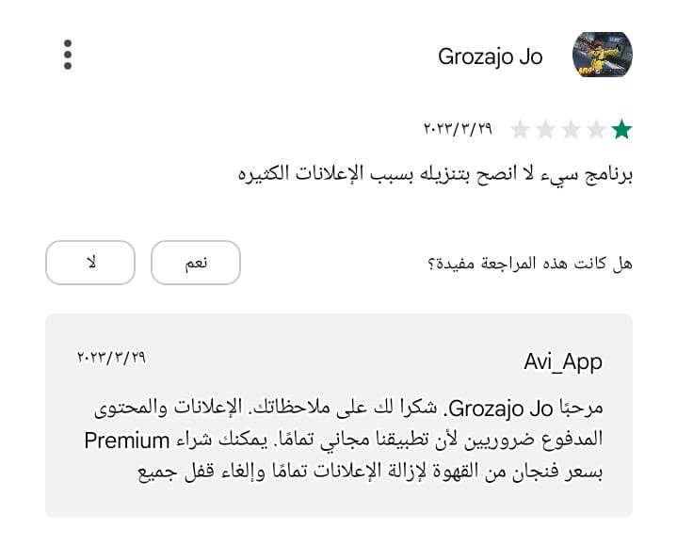

 | • What can you suggest to us to improve in our app page in Google Play? --> Mainly, as a user of this app, what I look forward to changing is to have more helpful and encouraging replies from whoever is responsible for responding to feedback. Additionally, it is important to fix the spelling mistakes that I mentioned earlier, whether they are in the video or the description section, as I specified in Test Cases #1 and #2.
 |  |  | TestCase1
 |  |  | TestCase2

 | • How often do you think people use Prayer Times? Why? When?. Well, to answer this question, you need to take into consideration all the features in this application and what sets it apart from other applications. This app has a lot of incredible and unique features that distinguish it from others. For instance, it allows users to read and listen to the Quran through a reader's voice. The Live Mecca feature is also noteworthy, along with the inclusion of Hadith and Duas. All these main features make the app interesting and distinctive. To summarize, considering all these features, I may use your application for a period of two hours or more daily, in addition to my prayer activities. People would primarily use the app for each of the five daily prayers, as well as for reading the Quran after each prayer. They may also engage with duaas, hadiths, and tasbih, as the app contains all the essential activities a prayer practitioner may undertake during or after prayer

 | • Did you have experience using Prayer Times? When? Why? If you are specifically asking about your application, then yes, I have had some experience using it. Some of the experiences were not very good, while others I consider great. For example, I encountered the issue of ads, which I mentioned in Test Cases #3 and #4. Additionally, there were spelling mistakes in the app, which is considered unacceptable, especially when it involves holy texts. I also included a test suite regarding in-app ads. However, there were also good features such as tasbih, Quran, duaa, and the nearest mosque finder. On the other hand, if you are asking in general, not specifically about your application, then yes, I have had several bad experiences with many prayer apps. In these cases, the negative features were more noticeable than the truly good ones, which ultimately led me to stop using them and provide feedback on what needed to be fixed.

 |  |  | TestCase3
 |  |  | TestCase4

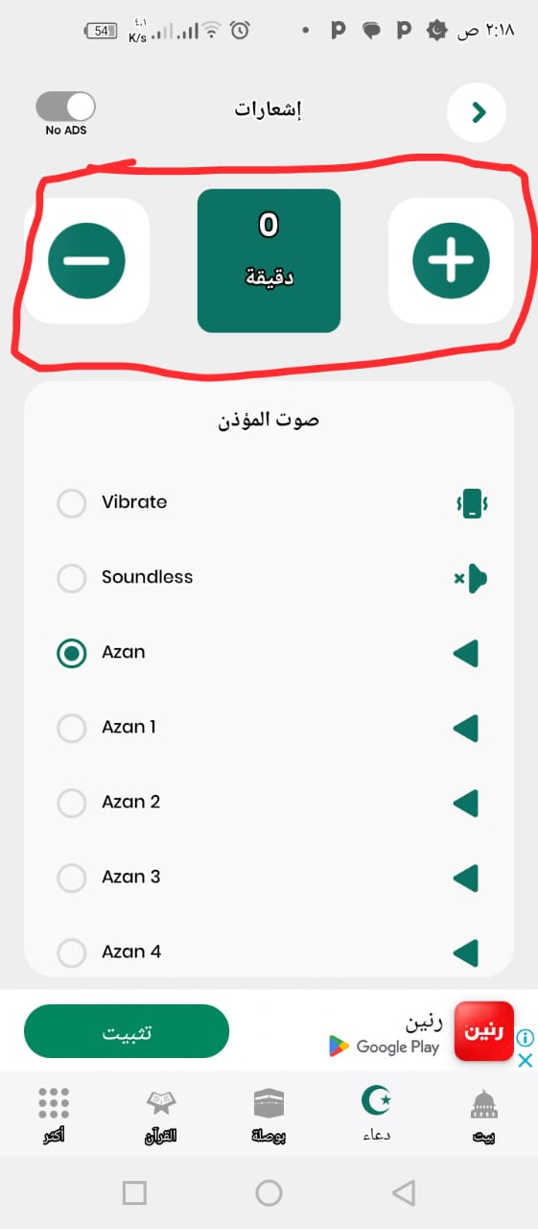

 | • Check the main feature of the application – Prayer Times. Do you have any problems with it? Is the time set correctly? The main features of the application are functioning well, except for a few issues that I have mentioned. For example, in Test Case #20, there is a wrong button that is supposed to redirect me to the duaa page but instead redirects me to the prayer time page. Additionally, there is another feature shown in the screenshot where I am unable to understand its main purpose or use. This feature can be observed when you navigate to the prayer times and click on any prayer, such as "Al Fajr". Between two buttons, there is a minutes counter displayed, but when I tried increasing the minutes to 60, I didn't notice any changes. It requires further clarification or description in the application's description section to explain the purpose of this minutes counter or timer.

 |  |  | TestCase20

 | • Was the Qibla Сompass accurate? Does it provide you with the exact direction/guidance to your destination? Yes, and this was surprising. It's working really well, and it's very accurate as it gave me the same direction of the qibla that I am following. I also tried using it at a mosque a little far from home just to ensure it was working properly, and indeed, it was fine.

 | • Do you find it comfortable to read and listen to the Quran? Yes, I listened to more than a whole chapter of the Quran, and it was good. The option to choose the reciter is also great. However, the only downside to this section or part of the application is the absence of a zoom option while reading the Quran. This could make it difficult for some users to read the text. Additionally, as I mentioned in Test Case #5, there are spelling mistakes in one of the three tabs in the Quran section.

 |  |  | TestCase5

 | • Was the 5 Pillars of Islam comfortable to study/ navigate? The five pillars of Islam in the application were accurate, understandable, and well-organized. They were presented in a manner that facilitates easy comprehension of the content and the concepts related to the five pillars of the Islamic religion.

 | • Was 99 Names of Allah organized in a comfortable way? Have you found any mistakes? The 99 Names of Allah were not organized properly, and I found several mistakes, including spelling errors, as I mentioned in Test Cases #10 through #15 and #19. These types of spelling and organizational mistakes, particularly in applications that contain holy scriptures and religious content, greatly affect the integrity and credibility of the application. To prevent any negative feedback and to eliminate doubts about the application's credibility, immediate action needs to be taken to rectify and correct these mistakes. |  | TestCase10
 |  |  | TestCase11
 |  |  | TestCase12
 |  |  | TestCase13
 |  |  | TestCase14
 |  |  | TestCase15
 |  |  | TestCase19A

 | • Would you use the feature “share with friends” in the section Prayer Times after you have finished the prayer? I couldn’t find this feature or this option when I finished praying .

 |  |  | Share Feature

 | • Was it understandable how to use Tasbih? Do you find it easy to apply or would you like to have some instructions (manual/help)? Tasbih was easy to understand as a feature of the application , It doesn’t require any more calrification or instructions.

 | • Do you have any bugs or problems with the technical part of the application? I encountered one bug, which I already mentioned in Test Case #20. The issue is that the Duaa button redirects me to the prayer time page instead of the expected behavior. Apart from this bug, no other bugs were found in the main features of the application. Additionally, no performance issues were noticed during the execution of the application.
 |  |  | TestCase20

 | • In your opinion is the Calendar comfortable to use or would you recommend any changes? In Test Cases #16 and #18, I mentioned that there is a problem with the calendar. The first issue is that in the Arabic version of the application, the calendar doesn't display the days and the number of days in Arabic, which can be inconvenient for Arabic speakers. Additionally, in the upcoming events section, there is a similar issue where all the upcoming events are displayed in a language other than the one chosen by the user.

 |  |  | TestCase16
 |  |  | TestCase18

 | • Describe your experience with Duas. Have you found any mistakes? As I mentioned in Test Cases #6, #7, and #8, there are spelling mistakes in some Duas, and some Duas also contain unused Arabic words. These issues need to be addressed to avoid any disruption for users.
 |  |  | TestCase6
 |  |  | TestCase7
 |  |  | TestCase8

 | • How was the experience of using 40 Hadith? Have you found any mistakes? When I went through the 40 Hadith in the application's Hadith section, I didn't notice any mistakes or faults. However, as mentioned in Test Case #9, the name of this section needs to be fixed as it is spelled incorrectly.
 |  |  | TestCase9

 | • How did you like the design of the application? Rate it from 1 to 5. The design is one of the main reasons why I'm still using the app. As I mentioned before, this app has a lot of spelling mistakes and ads that need to be fixed. However, the design itself makes this app great and easy to use. I would rate the design 3 out of 5, but the presence of spelling mistakes makes it somewhat unpleasant to look at, particularly because such mistakes are not expected in these types of apps

 | • What functions would you advise us to add into our application so it’ll be better? I would recommend adding the option to download the Surah with the Reader Voice I choose.

 | • Was it easy for you to use the application? Yes, the application was well-designed, and I really liked its design as well as some of its unique features. However, there were some aspects of the application that were quite bothersome and made me question the purpose of those features. These issues were mentioned in Test Case #3 and in an unidentified feature, for which I will provide the link

 |  |  | TestCase3
 |  |  | unknownFunction

 | The most important task. In regard to your experience of using the app, which are possible reasons for uninstalls from new users? Have you found any mistakes in our app page in Google play (it can be with title, full description, screenshots or videos) or we need to change something into our application? When I received your request, I decided to test the application first by conducting exploratory and smoke testing. This was done to check all the main features of the app and ensure that it functions as intended. One of the main issues that bothered me was the increasing number of ads as I spent more time using the application. With every click, an ad would appear, which became quite annoying. As a result, I stopped using the app for a while. However, when I returned to it, I encountered the same problem. Additionally, there were spelling mistakes and an ad appeared right at the beginning when using the app as a new user. All of these factors need to be taken into consideration, as they affected my experience with the application. To further investigate the reasons for uninstallation, I decided to review user feedback on the application. Most, if not all, of the reviews mentioned the issue of ads appearing with every click. After analyzing the users' comments and concerns, and drawing from my own experience using prayer apps, I can recommend several steps to improve the situation. First, limit the ads so that they do not appear excessively and directly hinder the user. Instead, consider integrating them within the content of the app, like the example shown in the screenshot. Alternatively, position them at the top and bottom of the screen, but ensure they do not interfere with app usage. Secondly, minimize the use of pop-up ads, especially those in the form of videos. Lastly, to avoid spelling mistakes, I suggest the developer employ a different translation API instead of the current one. Microsoft Translation and Google Translation APIs are known to have inaccu

 |  |  |  | 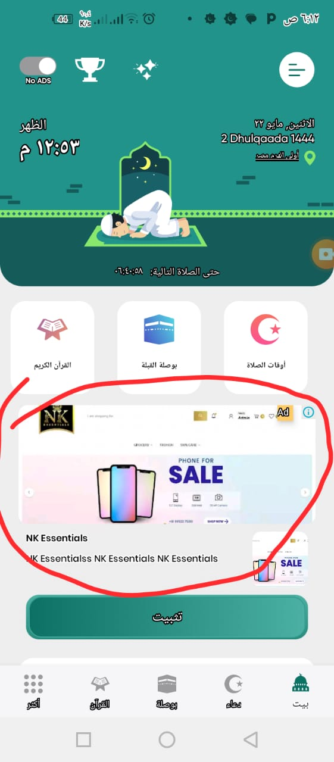

 |  |  | Testing

